Feuil1
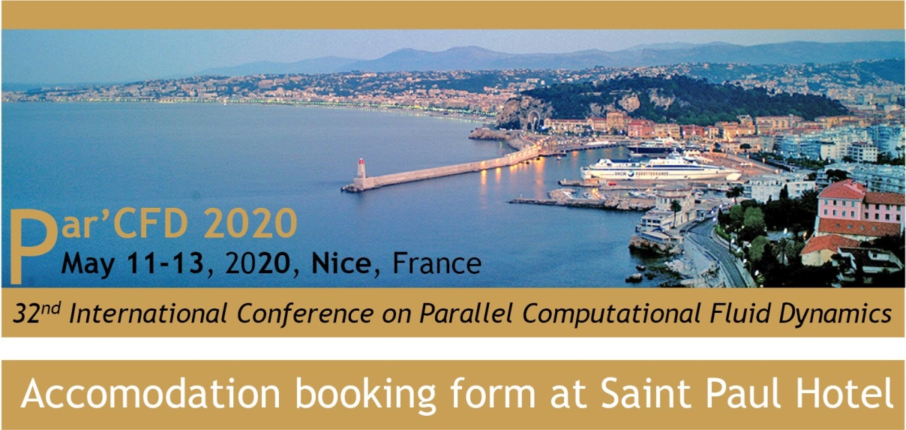
3

Accommodation booking form for Hotel Saint Paul,
29 Boulevard Franck Pilatte, Nice, France
The Saint Paul Hotel is the venue of the ParCFD Conference 2020. A special rate is offered to its attendees. Booking at this discount rate can only be made via this form and only for the purpose of the ParCFD Conference.
Please send the form completed directly to the hotel by email: Reservation@lesaintpaul-hotel.com. If any question in regards to accommodation matters, please feel free to contact the hotel by phone at 33 4 93 89 39 57
Note that the mandatory reservation deadline is March 11th, 2020.

 |  | Name /First Name
 |  | Postal Address
 |  | City |  | Zip code |  | Country
 |  | Date of birth
 |  | Passport n° or ID n°
 |  | Cell phone |  | Email
 |  | Check-in date | 2020-05-10 | Check-out date | 2020-05-13 | Number of nights | 3

 | Quantity |  | Prepaid rate*
 |  |  | Non-modifiable, non-refundable
 | 1 | Double classic | 100.00 | € per night
 |  | Double deluxe North | 120.00 | € per night
 |  | Double sea view | 160.00 | € per night
 |  | Twin sea view | 160.00 | € per night
 |  | Junior suite | 250.00 | € per night

 | TOTAL to pay |  | 480.00 | €
 | * additional 2,30€ tax per person and per night

 | Accepted credit cards type: Visa, Mastercard

 | Credit card number
 | Expiration date
 | CCV
 | Card holder name

 | The credit card will be charged the total amount of the stay. The customer must present himself at the hotel with the same credit card. Hotel will also ask his guests to present a piece of ID in the name of the cardholder for the purpose of fraud prevention by credit card

 |  |  |  |  |  |  | Guest signature

